DBC2_75W
RE_DBC2_75W |  |  |  | RE_DBC2_75W_2

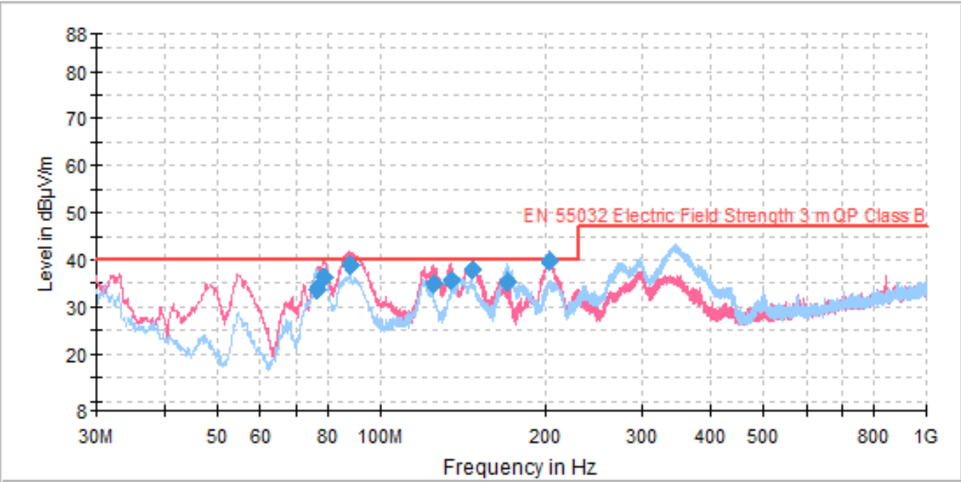
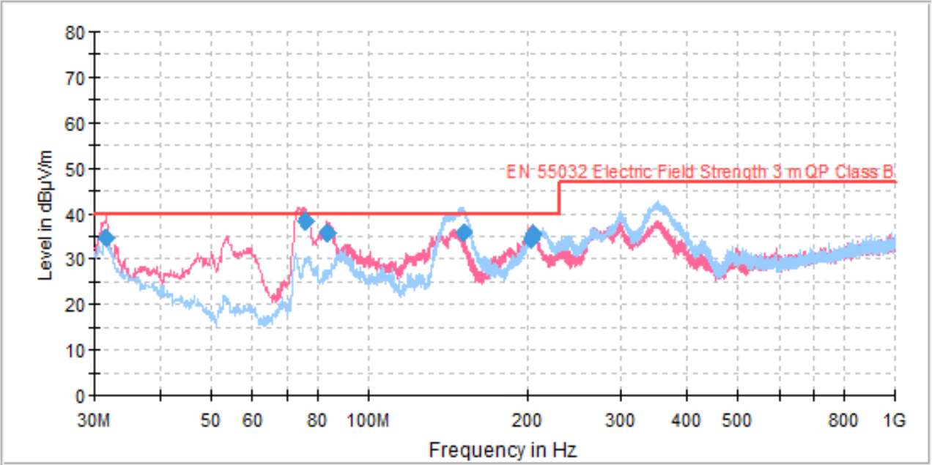

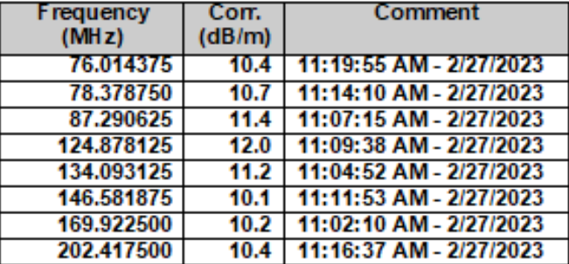
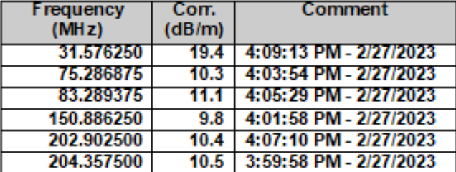

 | Gate | 120 | ohm |  | Gate | 120 | ohm
 | C5 | N.C. | nF |  | C5 | 2.2 | nF
 | C7 | N.C. | nF |  | C7 | 2.2 | nF

Adaptör
RE_Adaptör_1 |  |  | RE_Adaptör_2

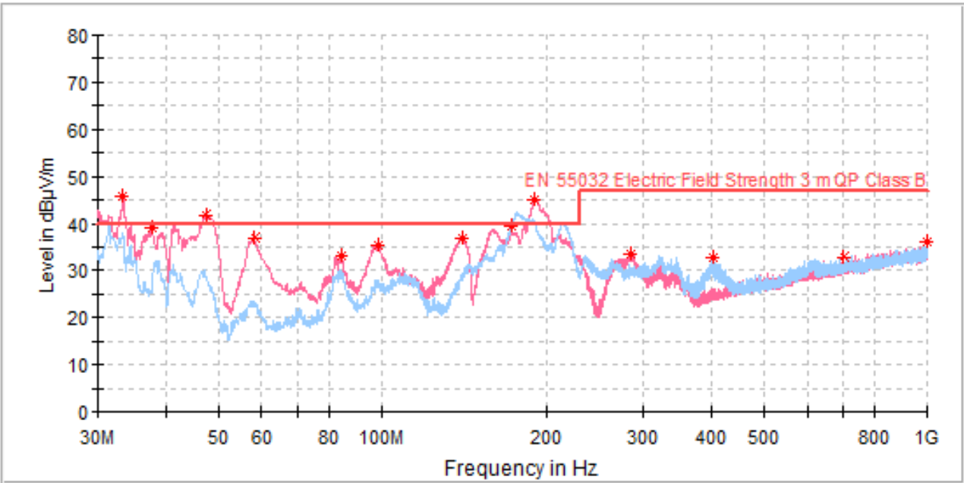
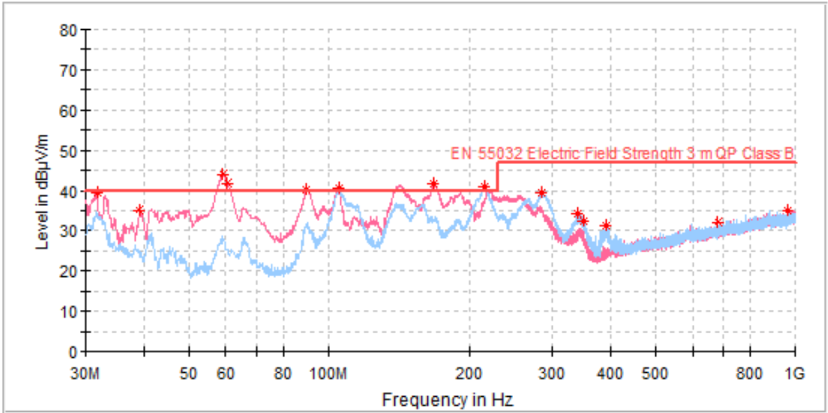

 | N.C | pF |  | 470 | pF
 | N.C | pF |  | 470 | pF

DBC2_150W
RE_DBC2_150W_1510_B |  |  |  | RE_DBC2_150W_3005_B |  |  |  |  | RE_DBC2_150W_1505_B2 |  |  |  |  | RE_DBC2_150W_1510_B3 |  |  |  |  | RE_DBC2_150W_1510_B4 |  |  |  |  |  | RE_DBC2_150W_1510_PQ32
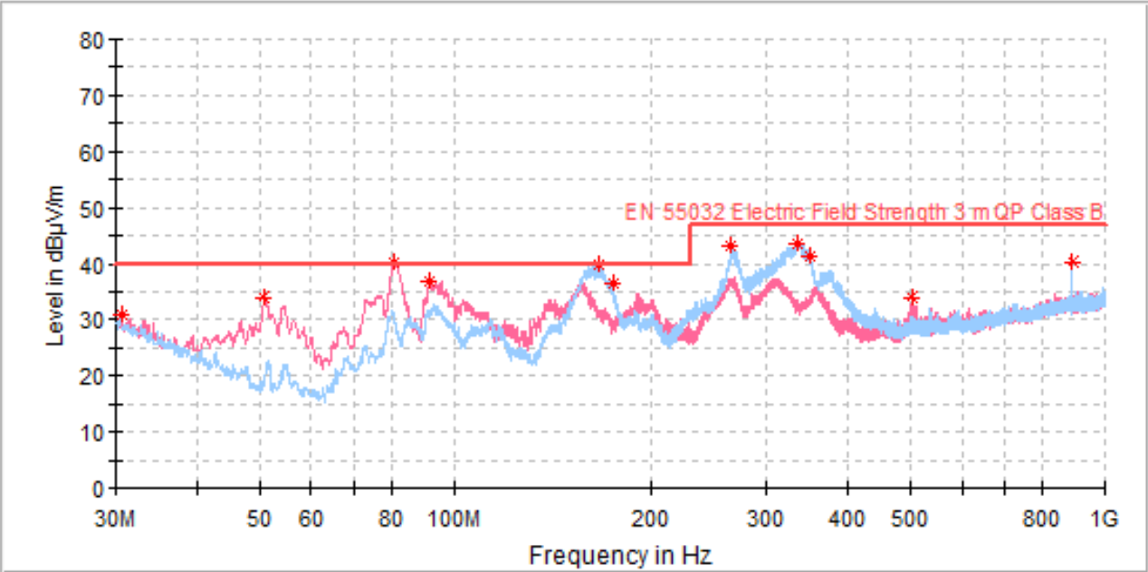
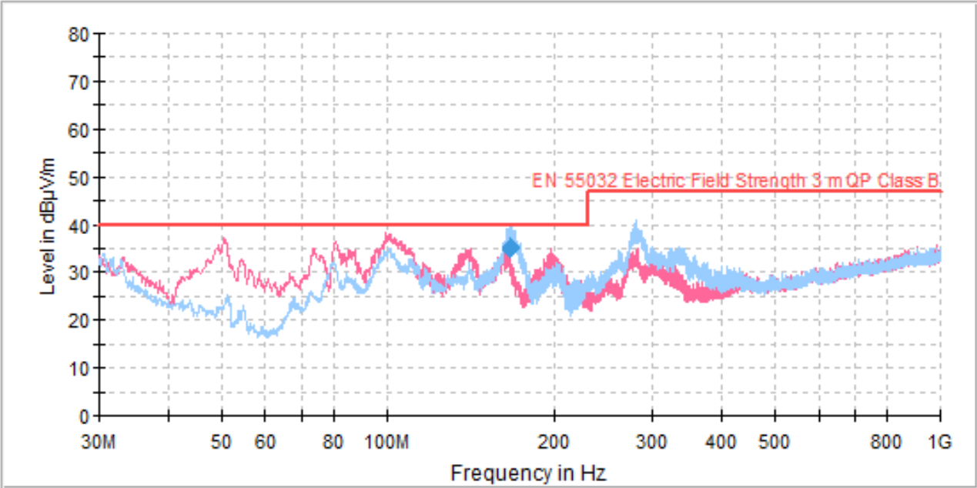
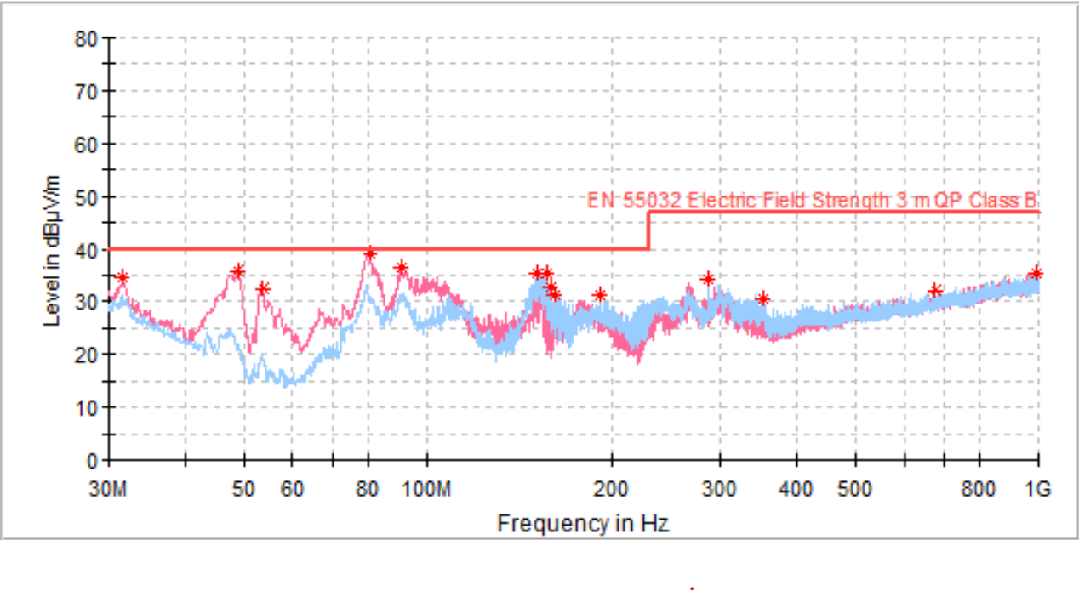
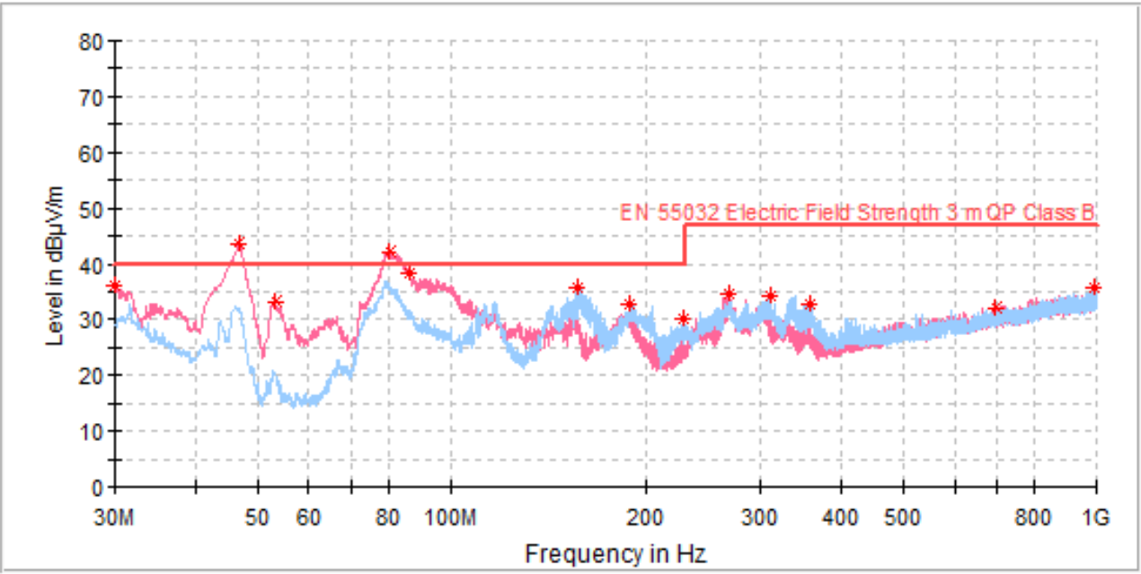
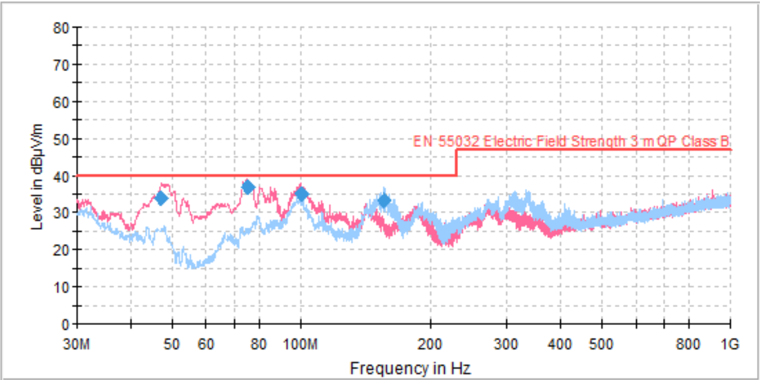
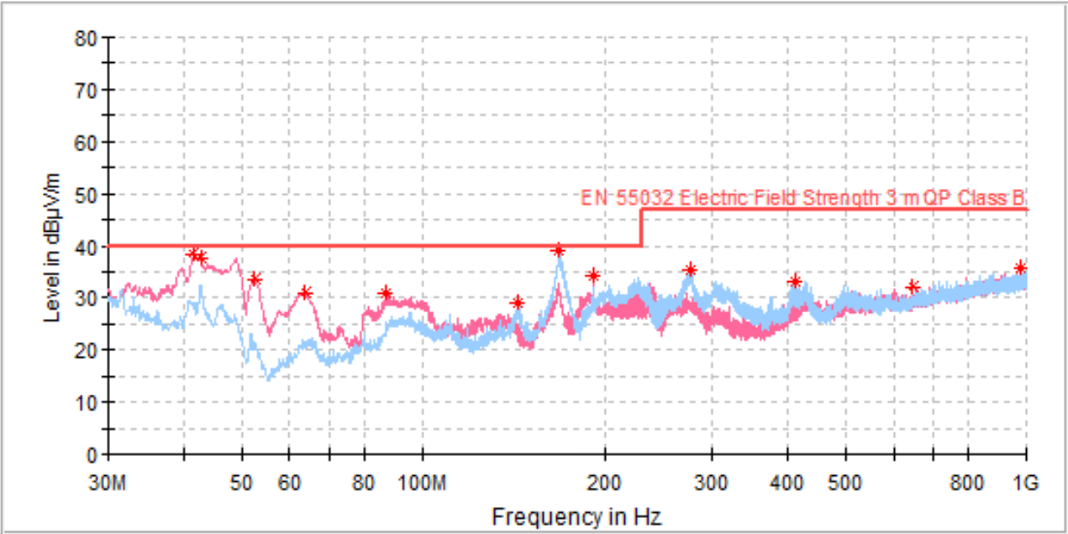

 |  |  |  | Ters polarite mosfeti hasar gördü |  |  |  |  | D kartı komponentleri B karrtı ile aynı hale getirildi

 |  |  |  |  |  |  |  |  |  |  |  |  |  |  |  |  |  |  |  |  |  |  |  | Ters gerilim mosfeti hasar gördü

 |  |  |  |  |  |  |  |  |  |  |  |  |  |  |  |  |  |  |  |  |  |  |  |  |  | Gate | R15 | 100 | Ohm
 |  |  |  |  | Gate | R15 | 42 | Ohm |  | Gate | R15 | 42 | Ohm |  | Gate | R15 | 42 | Ohm |  | Gate | R15 | 42 | Ohm |  |  |  | R14 | 20 | Ohm
Gate | R15 | 42 | Ohm |  |  | R14 | 82 | Ohm |  |  | R14 | 82 | Ohm |  |  | R14 | 82 | Ohm |  |  | R14 | 82 | Ohm |  |  |  | D5 | N.C.
 | R14 | 82 | Ohm |  |  | D5 | 1N4148 |  |  |  | D5 | 1N4148 |  |  |  | D5 | 1N4148 |  |  |  | D5 | 1N4148 |  |  |  | Pri snubb | C17 | 270 | pF
 | D5 | 1N4148 |  |  | Pri snubb | C17 | 270 | pF |  | Pri snubb | C17 | 270 | pF |  | Pri snubb | C17 | 270 | pF |  | Pri snubb | C17 | 270 | pF |  |  |  | R31 | 15 | Ohm
Pri snubb | C17 | 270 | pF |  |  | R31 | 15 | Ohm |  |  | R31 | 15 | Ohm |  |  | R31 | 15 | Ohm |  |  | R31 | 15 | Ohm |  |  |  | R33 | 15 | Ohm
 | R31 | 15 | Ohm |  |  | R33 | 15 | Ohm |  |  | R33 | 15 | Ohm |  |  | R33 | 15 | Ohm |  |  | R33 | 15 | Ohm |  |  |  | R334 | 15 | Ohm
 | R33 | 15 | Ohm |  |  | R334 | 15 | Ohm |  |  | R334 | 15 | Ohm |  |  | R334 | 15 | Ohm |  |  | R334 | 15 | Ohm |  |  |  | R30 | 15 | Ohm
 | R334 | 15 | Ohm |  |  | R30 | 15 | Ohm |  |  | R30 | 15 | Ohm |  |  | R30 | 15 | Ohm |  |  | R30 | 15 | Ohm |  |  | Sec snubb | C21 | 4.7 | nF
 | R30 | 15 | Ohm |  | Sec snubb | C21 | 4.7 | nF |  | Sec snubb | C21 | 4.7 | nF |  | Sec snubb | C21 | 4.7 | nF |  | Sec snubb | C21 | 4.7 | nF |  |  |  | R39 | 56 | Ohm
Sec snubb | C21 | 4.7 | nF |  |  | R39 | 56 | Ohm |  |  | R39 | 56 | Ohm |  |  | R39 | 56 | Ohm |  |  | R39 | 56 | Ohm |  |  |  | R40 | 56 | Ohm
 | R39 | 56 | Ohm |  |  | R40 | 56 | Ohm |  |  | R40 | 56 | Ohm |  |  | R40 | 56 | Ohm |  |  | R40 | 56 | Ohm |  |  |  | R41 | 56 | Ohm
 | R40 | 56 | Ohm |  |  | R41 | 56 | Ohm |  |  | R41 | 56 | Ohm |  |  | R41 | 56 | Ohm |  |  | R41 | 56 | Ohm |  |  |  | R42 | 56 | Ohm
 | R41 | 56 | Ohm |  |  | R42 | 56 | Ohm |  |  | R42 | 56 | Ohm |  |  | R42 | 56 | Ohm |  |  | R42 | 56 | Ohm |  |  |  | C59 | 4.7 | nF
 | R42 | 56 | Ohm |  |  | C59 | 4.7 | nF |  |  | C59 | N.C. | nF |  |  | C59 | N.C. | nF |  |  | C59 | 4.7 | nF |  |  |  | C27 | 4.7 | nF
 | C59 | 4.7 | nF |  |  | C27 | 4.7 | nF |  |  | C27 | N.C. | nF |  |  | C27 | N.C. | nF |  |  | C27 | N.C. | nF |  |  |  | C73 | 4.7 | nF
 | C27 | 4.7 | nF |  |  | C73 | 4.7 | nF |  |  | C73 | 4.7 | nF |  |  | C73 | 4.7 | nF |  |  | C73 | 4.7 | nF |  |  |  | C25 | 4.7 | nF
 | C73 | 4.7 | nF |  |  | C25 | 4.7 | nF |  |  | C25 | 4.7 | nF |  |  | C25 | 4.7 | nF |  |  | C25 | 4.7 | nF |  |  |  | C18 | 2.2 | nF
 | C25 | 4.7 | nF |  |  | C18 | 4.7 | nF |  |  | C18 | 4.7 | nF |  |  | C18 | 4.7 | nF |  |  | C18 | 4.7 | nF |  |  |  | C74 | 10 | nF
 | C18 | 4.7 | nF |  |  | C74 | 10 | nF |  |  | C74 | 10 | nF |  |  | C74 | 4.7 | nF |  |  | C74 | 4.7 | nF |  |  |  | C75 | 10 | nF
 | C74 | 10 | nF |  |  | C75 | 10 | nF |  |  | C75 | 10 | nF |  |  | C75 | 4.7 | nF |  |  | C75 | 4.7 | nF
 | C75 | 10 | nF |  |  |  |  |  |  |  |  |  |  |  |  |  |  |  |  |  |  |  |  |  |  |  | Trafo | pq
 |  |  |  |  |  | Trafo | E42/21/15 |  |  |  | Trafo | E42/21/15 |  |  |  | Trafo | E42/21/15 |  |  |  | Trafo | E42/21/15 |  |  |  |  | Lm | 176 | uH
 | Trafo | E42/21/15 |  |  |  | Lm | 300 | uH |  |  | Lm | 300 | uH |  |  | Lm | 300 | uH |  |  | Lm | 300 | uH
 | Lm | 300 | uH

